Cover
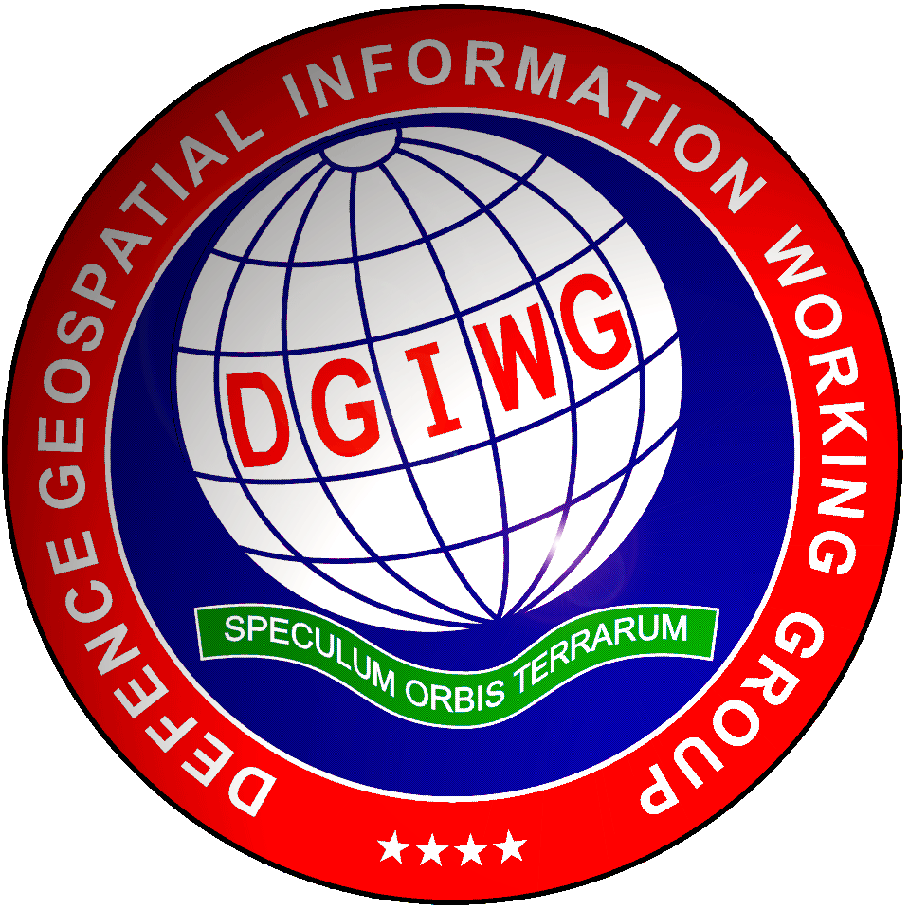 Defence Geospatial Information Framework (DGIF) 2023-1 Overview Extraction date: 08/06/2023

Overview | The Defence Geospatial Information Framework (DGIF) is a suite of specifications encompassing different types of geospatial, meteorological, and oceanographic information. It is the result of the effort of working groups and teams of the Defence Geospatial Information Working Group (DGIWG) who established and continuously maintain the framework. DGIF provides a common model solution allowing for the generation of standardised exchange and output product specifications that provide interoperability bridges between national and other community models and schemas. The DGIWG maintains and evolves the core artefacts as well as develops the required product specifications for end user implementations. The DGIF model - the Defence Geospatial Information Model (DGIM) - has been modelled using UML and stored in a cloud-based collaborative environment using the software Enterprise Architect. This workbook provides a spreadsheet view of the DGIF Model Content and its most important elements, in order to allow non-UML users to view and examine the model content. This workbook includes content from the Defence Geospatial Feature and Concept Dictionary (DGFCD) and the Defence Geospatial Real World Object Index (DGRWI) to support interpretation of the model. This document should be regarded as a short view of the model and should not be considered a standard in its own right. WARNING The content of the spreadsheet is derived from the DGIM with fields populated via automatic workflow. Due to large number of elements within the model, independent comprehensive quality control for completeness and accuracy has not been carried out for the workbook artifact. This workbook is therefore provided only as an informative technical artifact. |  | ç

FeatureType | A featureType in DGIF is equivalent to a feature as described in ISO19110, an “abstraction of real world phenomena”, meaning an entity with a geospatial relation. FeatureTypes build the core elements for describing content.
 | Column | Purpose
 | FeatureType Name | The class name represents the alphaCode, a unique alphanumeric value that may be used to designate this concept for the purposes of data interchange between nations, organisations, and within NATO. The alphaCode is also called 'primary code' and represents a human readable name that can be longer than 25 characters. It should be use as primary identification though unless information systems are not able to use identifiers of this length. Instead, the 531Code may be used as defined in the DGFCD.
 | 531Code | A unique alphanumeric value that conforms to the DGIWG-developed FDD and may be used to designate this concept in technology-specific limited circumstances for the purposes of data interchange in conformance with DGIWG standards. This code is the legacy of FACC and DFDD 5-3-1 Codes. These codes are also maintained to support legacy systems that are limited in the use of arbitrary codes
 | Definition | A precise statement of the nature, properties, scope, or essential qualities of the concept. Information systems and data sets shall preserve this meaning, neither narrowing, broadening, nor otherwise altering the specified semantic.
 | Description | An optional statement of the nature, properties, scope, or non-essential qualities of the concept that are not specified by the definition. Information systems and data sets should consider this information in their design, implementation, and operations, but explicitly honouring this additional information is optional.
 | Inherits from | Generalisations between Types or FeatureTypes can be used to inherit information and to build hierarchical dependencies. All featureTypes inherit from featureEntity or inherits from a featureType which inherits from featureEntity.
 | AttributeName | The name of the attribute contained in this feature
 | 531Code | The 531 Code of the attribute mentioned above
 | Multiplicity | The information defining whether a property is mandatory or optional is documented by the multiplicity as well as the number of values that can be provided
 | Data Type | A dataType defines the structure of a property and specifies the general nature of the content. Simple dataTypes are real or string. In DGIM simple types are not explicitly modelled but derived from ISO19103.

Type | A type is an information entity that has no geometry on its own. For example: to describe such general information as ReligiousInformation. It behaves similar to a featureType except those entities refer to geometry
 | Column | Purpose
 | FeatureType Name | The class name represents the alphaCode, a unique alphanumeric value that may be used to designate this concept for the purposes of data interchange between nations, organisations, and within NATO. The alphaCode is also called 'primary code' and represents a human readable name that can be longer than 25 characters. It should be used as primary identification unless information systems are not able to use identifiers of this length. Instead, the 531Code may be used as defined in the DGFCD.
 | 531Code | A unique alphanumeric value that conforms to the DGIWG-developed FDD and may be used to designate this concept in technology-specific limited circumstances for the purposes of data interchange in conformance with DGIWG standards. This code is the legacy of FACC and DFDD 5-3-1 Codes. These codes are also maintained to support legacy systems that are limited in the use of arbitrary codes
 | Definition | A precise statement of the nature, properties, scope, or essential qualities of the concept. Information systems and data sets shall preserve this meaning, neither narrowing, broadening, nor otherwise altering the specified semantic.
 | Description | An optional statement of the nature, properties, scope, or non-essential qualities of the concept that are not specified by the definition. Information systems and data sets should consider this information in their design, implementation, and operations, but explicitly honouring this additional information is optional.
 | AttributeName | The name of the attribute contained in this feature
 | 531Code | The 531 Code of the attribute mentioned above
 | Multiplicity | The information defining whether a property is mandatory or optional is documented by the multiplicity as well as the number of values that can be provided
 | Data Type | A dataType defines the structure of a property and specifies the general nature of the content. Simple dataTypes are real or string. In DGIM simple types are not explicitly modelled but derived from ISO19103.

Enumerations | An enumeration represents the range of values of a so called pick-list. Only one or more of the values (enums) within this list is an allowed value for the property.
 | Column | Purpose
 | Enumeration Name | The class name represents the alphaCode, a unique alphanumeric value that may be used to designate this enummeration or attribute value concept for the purposes of data interchange between nations, organisations, and within NATO. The alphaCode is also called 'primary code' and represents a human readable name that can be longer than 25 characters. It should be used as primary identification unless information systems are not able to use identifiers of this length. Instead, the 531Code may be used as defined in the DGFCD.
 | 531Code | A unique alphanumeric value that conforms to the DGIWG-developed FDD and may be used to designate this concept in technology-specific limited circumstances for the purposes of data interchange in conformance with DGIWG standards. This code is the legacy of FACC and DFDD 5-3-1 Codes. These codes are also maintained to support legacy systems that are limited in the use of arbitrary codes
 | Enum | Enums represent the values in an enumeration
 | 531Code | The 531 Code of the enum mentioned above

Associations | Associations connect elements of the model and describe the relations between them. Associations between featureTypes Associations between featureTypes represent a semantic relation between featureTypes that cannot be discovered by spatial analysis of the model. Hence associations shall not be used to represent spatial relations (except beyond 2D representation). Examples for allowed associations: • PopulatedPlace isCapitalOf GeopoliticalEntity • AirTrafficControlTower controls Airspace Examples for not allowed associations (since those can be found by spatial analysis): • City liesWithin AdministrativeDivision • Threshold belongsTo Runway Associations between featureTypes and types Types usually describe additional information independent of spatial relations. They can be associated to featureTypes to provide detailed information or specific domain related specification. Examples of such associations are: • NameInfomation associated to FeatureEntity • ProductInfomation associated to Facility Associations between types Associations between typess provides a level of complexity especially as infomation chains are created. These are to delare a relationship between non-spatial entities within the model.
 | Column | Purpose
 | FeatureType Name | The name of the entity where the association starts
 | Association_Start_Name | Only in old associations pending to update.
 | Association_End_Name | The name of the role of the association, it gives an idea of the purpose of the association.
 | FeatureType/Type Name | The name of the entity where the association ends

FeatureDictionary | The DGFCD specifies a concept dictionary for geospatial phenomena in support of the DGIM. FeatureDictionary is the part of the dictionary which defines all the featureTypes and types.
 | Column | Purpose
 | FeatureType Name | The class name represents the alphaCode, a unique alphanumeric value that may be used to designate this concept for the purposes of data interchange between nations, organisations, and within NATO. The alphaCode is also called 'primary code' and represents a human readable name that can be longer than 25 characters. It should not be use as primary identification though since information systems may be not able to use identifiers of this length. Instead, the 531Code may be used as defined in the DGFCD.
 | 531Code | A unique alphanumeric value that conforms to the DGIWG-developed FDD and may be used to designate this concept in technology-specific limited circumstances for the purposes of data interchange in conformance with DGIWG standards. This code is the legacy of FACC and DFDD 5-3-1 Codes. These codes are also maintained to support legacy systems that are limited in the use of arbitrary codes
 | Definition | A precise statement of the nature, properties, scope, or essential qualities of the concept. Information systems and data sets shall preserve this meaning, neither narrowing, broadening, nor otherwise altering the specified semantic.
 | Description | An optional statement of the nature, properties, scope, or non-essential qualities of the concept that are not specified by the definition. Information systems and data sets should consider this information in their design, implementation, and operations, but explicitly honouring this additional information is optional.

AttributeDictionary | The DGFCD specifies a concept dictionary for geospatial phenomena in support of the DGIM. AttributeDictionary is the part of the dictionary which defines all the attributes.
 | Column | Purpose
 | FeatureType Name | The class name represents the alphaCode, a unique alphanumeric value that may be used to designate this concept for the purposes of data interchange between nations, organisations, and within NATO. The alphaCode is also called 'primary code' and represents a human readable name that can be longer than 25 characters. It should not be use as primary identification though since information systems may be not able to use identifiers of this length. Instead, the 531Code may be used as defined in the DGFCD.
 | 531Code | A unique alphanumeric value that conforms to the DGIWG-developed FDD and may be used to designate this concept in technology-specific limited circumstances for the purposes of data interchange in conformance with DGIWG standards. This code is the legacy of FACC and DFDD 5-3-1 Codes. These codes are also maintained to support legacy systems that are limited in the use of arbitrary codes
 | Definition | A precise statement of the nature, properties, scope, or essential qualities of the concept. Information systems and data sets shall preserve this meaning, neither narrowing, broadening, nor otherwise altering the specified semantic.
 | Description | An optional statement of the nature, properties, scope, or non-essential qualities of the concept that are not specified by the definition. Information systems and data sets should consider this information in their design, implementation, and operations, but explicitly honouring this additional information is optional.

AttributeValueConceptDictionary | The DGFCD specifies a concept dictionary for geospatial phenomena in support of the DGIM. AttributeValueConceptDictionary is the part of the dictionary which defines all the enums contained in the different enumerations.
 | Column | Purpose
 | attributeValueConceptList | The attributeValueConceptList stores all attributeValueConcepts for a specific attributeConcept. Its main purpose is to facilitate the management of the DGFCD.
 | attributeValueConcept | The name of the attributeValueConcept
 | Alias | A unique alphanumeric value which may be used to designate this concept in technology-specific limited circumstances for the purposes of data interchange in conformance with DGIWG standards. This code is a combination of the legacy of FACC and DFDD 5-3-1 Codes.
 | Definition | A precise statement of the nature, properties, scope, or essential qualities of the concept. Information systems and data sets shall preserve this meaning, neither narrowing, broadening, nor otherwise altering the specified semantic.
 | Description | An optional statement of the nature, properties, scope, or non-essential qualities of the concept that are not specified by the definition. Information systems and data sets should consider this information in their design, implementation, and operations, but explicitly honouring this additional information is optional.

RWOI | The RWO(Real World Object) Index is a registry of English language terminology relevant to the DGIF Model content. The terms used will have relevancy to the user community. Typically these will be commonly used Operational, Military, Legal, or User Community terms. These could be formally recognized/published terms from a relevant source or a common colloquial used English term. It provides an entry point into the DGIM by providing indexing from names of Real World Phenomena to their implementation in the DGIM.
 | Column | Purpose
 | RWO | The name of the RWO.
 | 531Code | A unique alphanumeric value that conforms to the DGIWG-developed FDD and may be used to designate this concept in technology-specific limited circumstances for the purposes of data interchange in conformance with DGIWG standards. This code is the legacy of FACC and DFDD 5-3-1 Codes. These codes are also maintained to support legacy systems that are limited in the use of arbitrary codes
 | oCLComment | The pure OCL statement for the constraint.
 | oCLStatement | An optional statement of the nature, properties, scope, or non-essential qualities of the concept that are not specified by the definition. Information systems and data sets should consider this information in their design, implementation, and operations, but explicitly honouring this additional information is optional.

