Cover
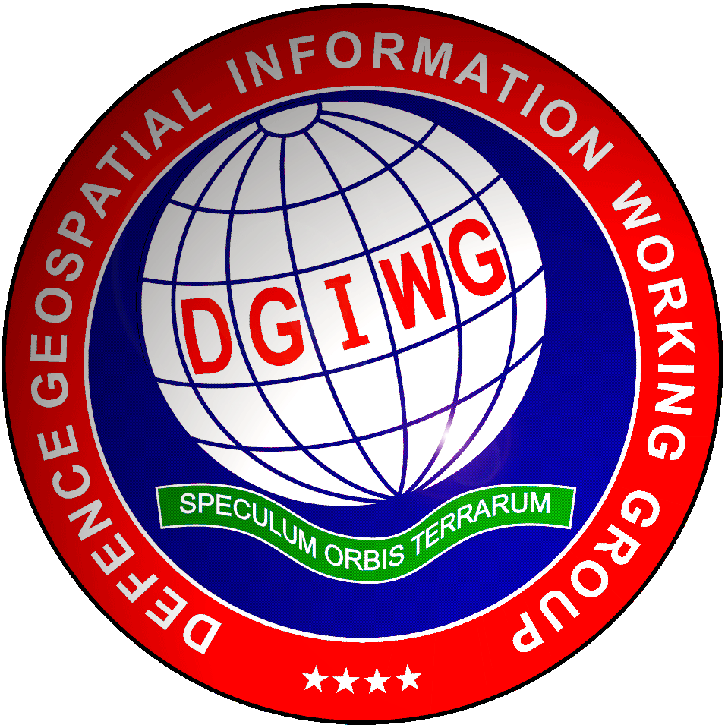 DVOF mapping table to DGIF valid for DGIF 2.0 Extraction date: 16 October 2019

Overview | The Defence Geospatial Information Framework (DGIF) is a suite of specifications encompassing different types of geospatial, meteorological, and oceanographic information. Defence Geospatial Information Model (DGIM) is a DGIF-wide logical model for geospatial data. DVOF objects mapping is performed against DGIM featureTypes. The mapping principle was to find the most accurate featureType - attributeValue combination in DGIM for each DVOF object. The attibuteValues were not specified if a) the featureType itself corresponded to DVOF object or b) if there was no matching attributeValues available in DGIM. A combination of attributes was used if needed.

DVOF_to_DGIM_2.0 | Column | Purpose
 | DVOF_Code | Object's code in DVOF database
 | DVOF_Name | General name of the object in DVOF database
 | DVOF_Definition | More precise definition of an object in DVOF database
 | Geometry | A geometry of an object in DVOF database
 | DGIF_FT | DGIF featureType 531-code
 | DGIF_FT_alpha | DGIF featureType alphaCode
 | DGIF_A1_531 | DGIF first attribute 531-code
 | DGIF_A1_alpha | DGIF first attribute alphaCode
 | DGIF_AV1_531 | DGIF first attributeValue 531-code
 | DGIF_AV1_alpha | DGIF first attributeValue alphaCode
 | DGIF_A2_531 | DGIF second attribute 531-code
 | DGIF_A2_alpha | DGIF second attribute alphaCode
 | DGIF_AV2_531 | DGIF second attributeValue 531-code
 | DGIF_AV2_alpha | DGIF second attributeValue alphaCode
 | DGIF_A3_531 | DGIF third attribute 531-code
 | DGIF_A3_alpha | DGIF third attribute alphaCode
 | DGIF_AV3_531 | DGIF third attributeValue 531-code
 | DGIF_AV3_alpha | DGIF third attributeValue alphaCode

